Defect Report-CaseStudy
Defect ID | Defect Description | Steps to Reproduce | Priority | Severity | Status | Created By | Assigned To | Screenshot
1 | OTP sent for unregistered email without validation | 1. Launch Microsoft Edge 2. Search for shaadi.com 3. Click on Login option 4. Select "Login with OTP" 5. Enter an unregistered/invalid email ID 6. Click on "Send OTP" 7. Observe that OTP is sent even though the email is not registered | High | Critical | New | Kartik | Raghavendra BN | 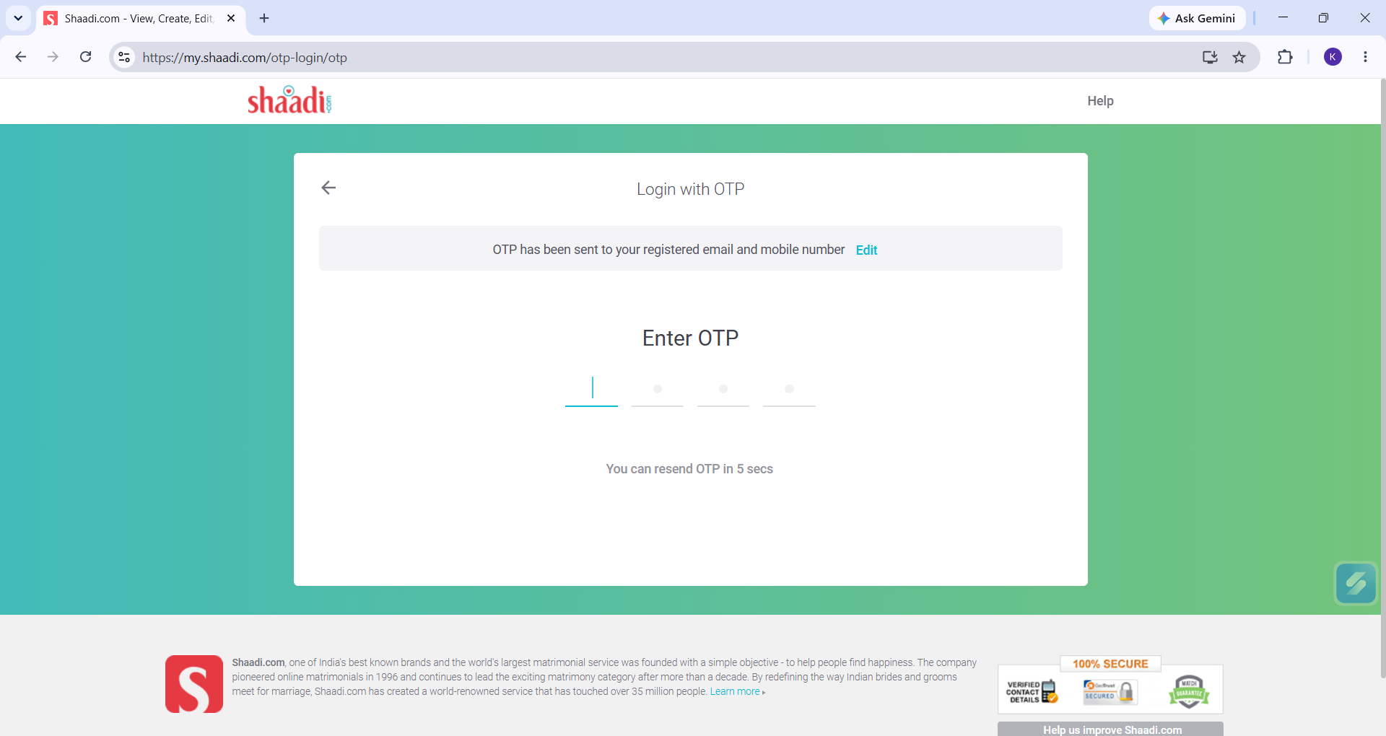
2 | System accepts excessively long/invalid email ID without proper validation during sign-up | 1. Launch Microsoft Edge 2. Search for shaadi.com 3. Click on Register and proceed to Email ID & Mobile no. step 4. Enter an unrealistically long email ID with "@gmail.com" domain, e.g., "kartik1111111111111111111111111111111111111111111111111111111111111111111111111111111111111@gmail.com" 5. Enter a valid mobile number 6. Click on "Submit" 7. Observe that the system accepts the email ID without validating its length/format, even though it does not represent a realistic or valid email address | High | Major | New | Kartik | Raghavendra BN | 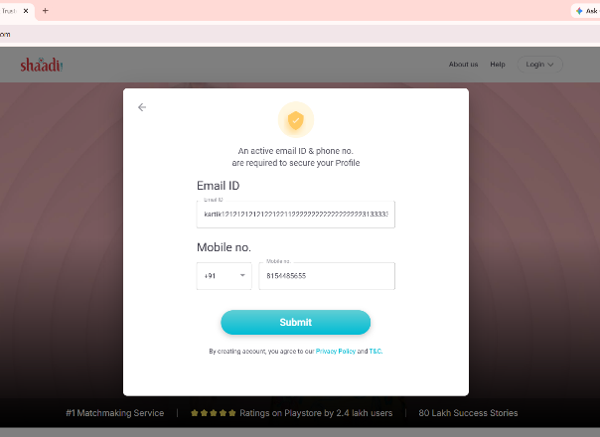
3 | "Continue" button stays active even after deleting mandatory First Name/Last Name field values | 1. Launch Microsoft Edge 2. Search for shaadi.com 3. Click on sign up 4. Enter valid First Name and Last Name 5. Enter Date of Birth (e.g., 11/11/2004) 6. Delete the text entered in First Name and Last Name fields (leave them blank) 7. Observe the "Continue" button 8. Click on "Continue" 9. Observe that the button remains active/clickable instead of getting disabled when the mandatory fields are empty | High | Major | New | Kartik | Raghavendra BN | 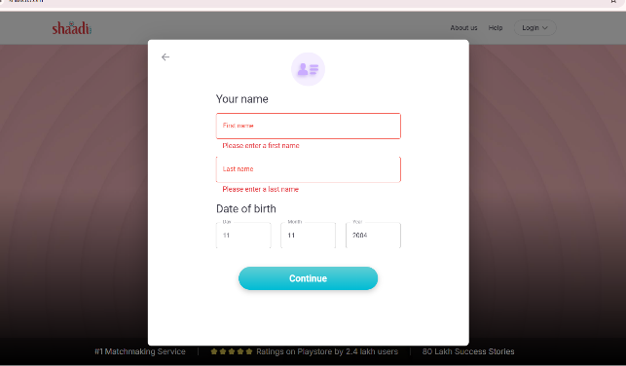
4 | Profile photo verification does not validate that the uploaded photo belongs to the actual account holder | 1. Login to shaadi.com with a registered account 2. Navigate to "My Shaadi" > "My Photos" 3. Click "Browse Photo" 4. Upload a photo of a different person (not the account holder, e.g., a friend's photo) as Profile Photo/Album Photo 5. Wait for the photo screening process to completeh 6. Observe that the photo of a different person gets verified and successfully displayed under "Profile Photo"/"Album Photo" section without any identity mismatch check | High | Critical | New | Kartik | Raghavendra BN | 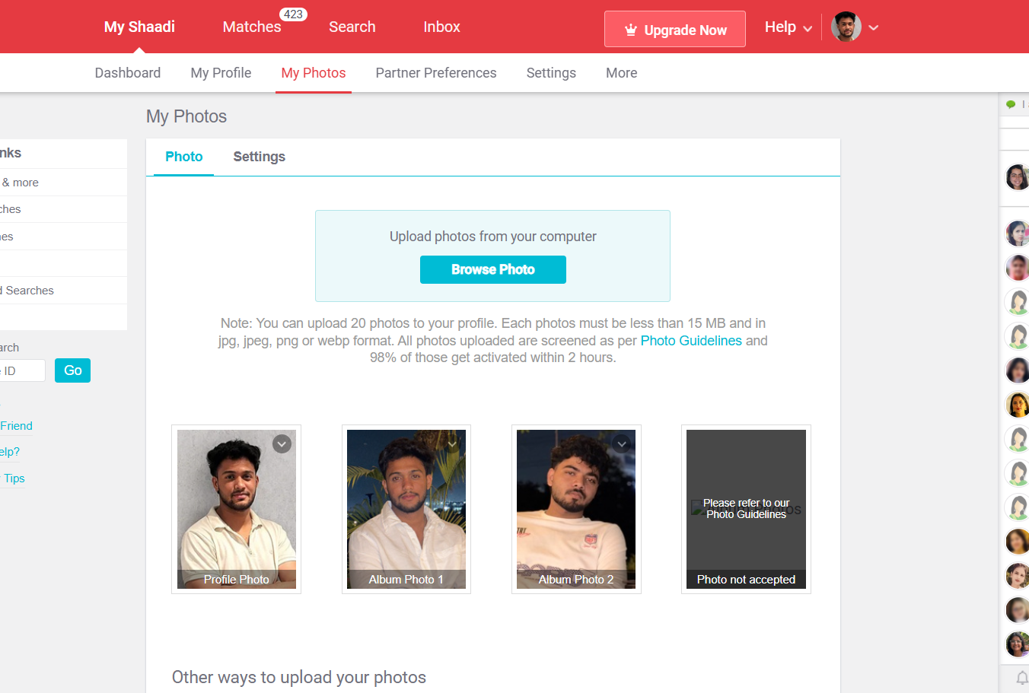
5 | Mobile number field accepts Indian-format 10-digit number even when country code is set to +1 (USA | 1. Launch Microsoft Edge 2. Search for shaadi.com 3. Proceed to Registration > Email ID & Mobile no. step 4. Enter a valid Email ID (e.g., FD12@gmail.com) 5. Change the country code dropdown from +91 to +1 (USA) 6. Enter a 10-digit mobile number (e.g., 817143623) — which does not match the standard US phone number format 7. Click "Submit" 8. Observe that the number is accepted without validating that it matches the selected country's mobile number format/length | High | Major | New | Kartik | Raghavendra BN | 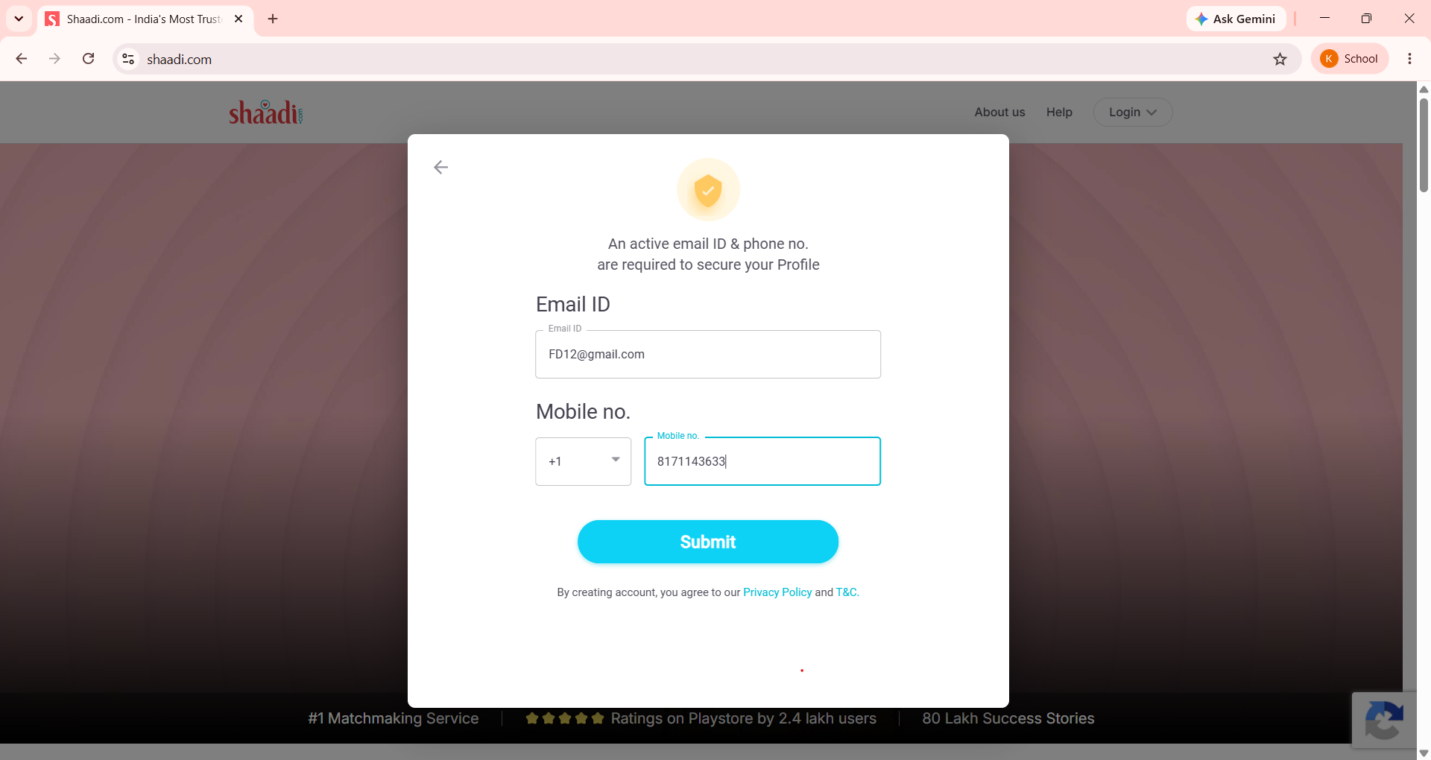

Graphical User Interface Testin
Sr.No. | GUI Description | Actual Value | Expected value | Status/Remarks | Screenshots
1 | Testing the size and position of the shaadi.com logo on the header | Logo appears slightly cut off at the top edge | Logo should be fully visible and properly positioned in the header | Passed
2 | Testing the size, position, width, and height of the elements. | Elements should be appropriately sized and positioned according to the design layout. | Elements are sized and positioned correctly as per design. | Passed
3 | Testing whether the font is readable or not | Font should be readable and consistent with Shaadi.com brand guidelines. | Font is readable and consistent across the UI. | Passed | 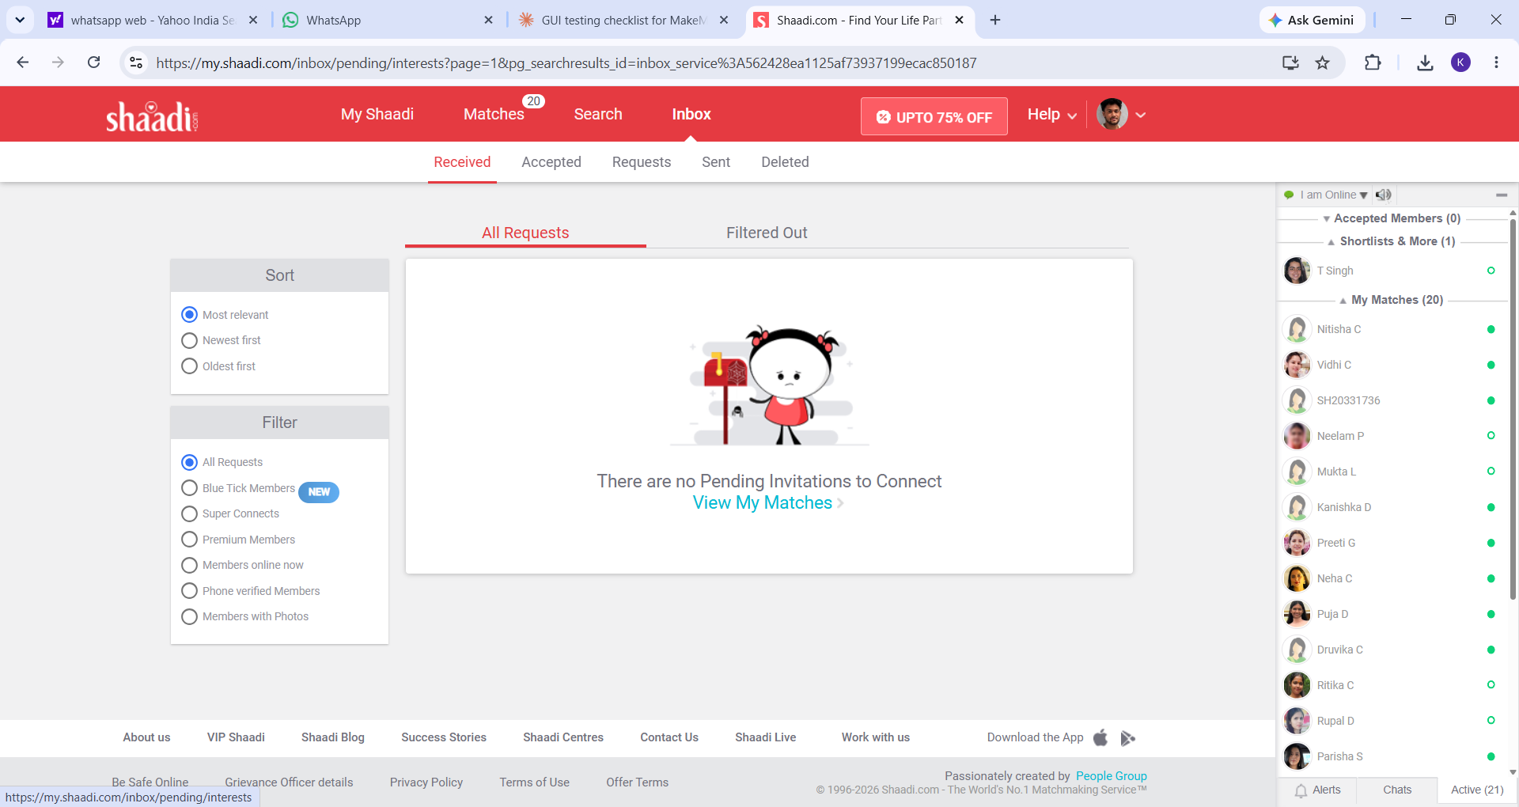
4 | Testing the alignment of the 'Login' and ' sign up' buttons in the top header | Both buttons are aligned in a row but with unequal spacing between them | Buttons should be evenly spaced and aligned in the header | Passed
9 | Testing behavior of the page on different browsers (cross-browser testing). | Page should render consistently on Chrome, Firefox, Edge, and Safari. | Page renders consistently across all tested browsers. | Passed

